NAR Vehicle Crossings
 |  |  |  |  |  |  |  |  |  |  | Northern Access Road & Carpark-Vehicle, Pedestrian, Pram & cycle drop kerb Crossing - Inspection & Test Plan
 |  |  |  |  |  |  |  |  |  |  | Project: Tauriko Enabling Project - SP2
 |  |  |  |  |  |  |  |  |  |  | Number and Revision: DN1210 - SP2 - SP2-006-006 - Rev 2

Item No. | Inspection and Test Point | Detail | Acceptance / Conformance Criteria | Standard / Specification | Verifying Document | Testing Quantity Required (based from schedule qtys) | Verification Activity |  | Downer Conformance of Compliance Signoff
 |  |  |  |  |  |  | Activity | By | Downer Signature | Date | Comments / Closeout Details | ENGINEERS COMMENTS - Date: 17/02/2025 | DOWNER RESPONSE - Date: 17/02/2025
SECTION 3 – PRE-CONSTRUCTION - MATERIAL, PERSONELL & THIRD PARTY APPROVALS
3.1 | Crushing Resistance AP40-1 | NZS4407:2015, Test 3.10 - The Crushing Resistance of Coarse Aggregate Under a Specified Load | < 10% fines passing 2.36mm under a load of 130kN | Project Specifications 20.9 TCC-IDC IT-4.8 table 4.6 | IANZ Accredited Report | 1 Test Per Material, Per Source every 10,000m3 Results to Engineer 2 wks before importing | HP | ENG
3.2 | Soaked CBR AP40-1 | NZS4407:2015, Test 3.15 The California Bearing Ratio (CBR) | >80% | Project Specifications 20.9 TCC-IDC IT-4.8 table 4.6 | IANZ Accredited Report | 1 Test Per Material, Per Source every 10,000m3 Results to Engineer 2 wks before importing | HP | ENG
3.3 | Accelerated Weathering AP40-1 | NZTAT/20 Ethylene Glycol Accelerated Weathering Test | ≤ 30% increase in fines | Project Specifications 20.9 TCC-IDC IT-4.8 table 4.6 | IANZ Accredited Report | 1 Test Per Material, Per Source every 10,000m3 Results to Engineer 2 wks before importing | HP | ENG
3.4 | Weathering Resistance AP40-1 | NZS4407:2015, Test 3.11 - The Weathering Quality Index of Coarse Aggregate | AA, AB, AC, BA, BB or CA | Project Specifications 20.9 TCC-IDC IT-4.8 table 4.6 | IANZ Accredited Report | 1 Test Per Material, Per Source Results to Engineer 2 wks before importing | HP | ENG
3.5 | Particle Size Distribution AP40-1 | NZS4407:2015, Test 3.8.1 - Particle Size Distribution | Sieve Size % Passing 37.5mm 100% passing 19.0mm 60-75% passing 9.5mm 37-50% passing 4.75mm 20-35% passing 2.36mm 12-28% passing 1.18mm 9-20% passing 0.600mm 7-12% Passing 0.300mm 3-10% Passing 0.150mm 0-5% passing 0.075mm 0-5% passing | Project Specifications 20.9 TCC-IDC IT-4.8 table 4.7 | IANZ Accredited Report | Stockpile Size (m3): 0-400 - 2 tests 400-1,500 - 3 tests 1,500-4,000 - 4 tests >4,000 - 1 test for each additional 1,000m3 Results to Engineer 2 wks before importing | HP | ENG
3.6 | Shape Control AP40-1 | Tolerance allowed from approved grading curve (%) | Sieve Size % Tolerance 37.5 – 9.5 28-48% 19.0 – 4.75 14-34% 9.5 – 2.36 7-27% 4.75 – 1.18 6-22% 2.36 – 0.6 2-20% 1.18 – 0.3 5-19% 0.6 – 0.15 2-14% | Project Specifications 20.9 TCC-IDC IT-4..8 table 4.7 | IANZ Accredited Report | Number of Tests Required Stockpile Size (m3): 0-400 - 2 tests 400-1,500 - 3 tests 1,500-4,000 - 4 tests >4,000 - 1 test for each additional 1,000m3 Results to Engineer 2 wks before importing | HP | ENG
3.7 | Sand Equivalent AP40-1 | NZS4407:2015, Test 3.6 Sand Equivalent | ≥ 40 | Project Specifications 20.9 TCC-IDC IT-4.8 table 4.7 | IANZ Accredited Report | 1 Test Per Material, Per Source every 10,000m3 Results to Engineer 2 wks before importing | HP | ENG
3.8 | Plasticity Index AP40-1 | NZS4407:2015, Test 3.4 Plasticity Index | Plasticity Index ≤ 8 | Project Specifications 20.9 TCC-IDC IT-4.8 table 4.7 | IANZ Accredited Report | 1 Test Per Material, Per Source every 10,000m3 Results to Engineer 2 wks before importing | HP | ENG
3.9 | Cone Penetrometer Limit AP40-1 | NZS4407:2015, Test 3.2 Cone Penetration | Cone Penetrometer ≤ 30 | PS 20.9 TCC-IDC IT-4.8 table 4.7 | IANZ Accredited Report | 1 Test Per Material, Per Source every 10,000m3 Results to Engineer 2 wks before importing | HP | ENG
3.10 | Clay Index AP40-1 | NZS4407:2015, Test 3.5 - Clay Index Test Report | ≤ 5 | Project Specifications 20.9 TCC-IDC IT-4.8 table 4.7 | IANZ Accredited Report | 1 Test Per Material, Per Source every 10,000m3 Results to Engineer 2 wks before importing | HP | ENG
3.11 | Maximum Dry Density and Optimum Water Content AP40-1 | NZS4402:1986, Test 4.1.2 - Heavy Compaction Test | Report Value Only | NZS4402:1986 Test 4.1.2 | IANZ Accredited Report | 1 Test Per Material, Per Source | HP | ENG
3.12 | Reinforcing Mesh | 661 Reinforcing mesh (Commerical Vehicle Crossing) | 661 Reinforcing mesh (Commerical Vehicle Crossing) | 232735.02-WSP-DR-RSA-0305 | Material Data Sheet Engineer's Approval | Prior to Construction | W | SE
3.13 | Reinforcing Ties | R6 Ties (For commercial crossing only) | R6 Ties at 600 centres with 60 mm (For commercial crossing only) | 232735.02-WSP-DR-RSA-0305 | Material Data Sheet Engineer's Approval | Prior to Construction | W | SE
3.14 | Reinforcing Bars | 4-D12 Bars (For commerical crossing only) | 4-D12 Bars with 50 mm Cover (For commerical crossing only) | 232735.02-WSP-DR-RSA-0305 | Material Data Sheet Engineer's Approval | Prior to Construction | W | SE
3.15 | Concrete Mix Design | 20.0 MPA concrete. 4kg/m3 black oxide (2.5%) | 28 days concrete strength test of 20MPA | 232735.02-WSP-DR-UDL 0405 | Material Data Sheet Engineer's Approval | Prior to Construction | HP | ENG
SECTION 4 - CONSTRUCTION
4.1 | Cut Subgrade Testing - Cohesive Soil Shear Vane | NZ Geotechncial Society 2001 - Guideline for Hand Held Shear Vane Test This test shall be undertaken at the design subgrade level to a depth of 2-3m below the design subgrade level | Average Minimum SU: > 60kPa CBR: >3 Single Test Minimum SU: >50kPa | Project Specifications Appendix XVIII | Shear Vane Report | 1 test per 100m2 | I | SE
4.2 | Cut Subgrade Testing - Granular Scala Penetrometer | NZS4402:1988, Test 6.5.2 - Dynamic Cone Penetrometer Scala penetrometer testing to be undertaken instead of shear vane tests where shear vane is unable to penetrate subgrade material | Minimum 3 blows per 100mm penetration | Project Specifications Appendix XVIII | Scala Report | 4 test per 400m2 | I | SE |  |  |  | Scalas to be min 3 blows/100mm | Changes made
4.3 | Proof Roll Subgrade | Visual Inspection of Proof Roll | Visual Inspection | Project Specifications Appendix XVIII | Visual Inspection/Photos | Across Finished Area | I | SE
4.4 | Hold point | Subgrade signoff | Conqa signoff |  | Conqa signoff | Each area | HP | ENG
SECTION 5 - CONSTRUCTION - RESIDENTIAL AND COMMERICAL VEHICLE CROSSINGS
5.1 | Stringlines or equivalent Basecourse (AP40) | Stringlines or equivalent to check finished height of surface | Hight '+15mm/0mm Width –20 mm +100 mm | NZTA B/06 8.2.2 - Table 3 | Surveyor Records | 1 Set Every 20m Centres 1 set = 5 tests | I | SE
5.2 | Compaction - Clegg Hammer Basecourse (AP40) | ASTM D5874-16:2016 Clegg Hammer Testing | Min CIV 18 Ave CIV 20 | Appendix XVIII | Clegg Hammer Report | 1 set (5 tests per 5x5m grid) per 1000m2 of placed per area worked each day, per lift | H | SE
5.3 | Compaction - NDM Basecourse (AP40) | NZS4407:2015, Test 4.3 Nuclear Moisture Density Gauge (Backscatter Mode) | Ave >95% of MDD Min >92% of MDD | NZTA B/02 7.6 | IANZ Accredited Report | 1 set (5 tests) 1000m2 | I | SE
5.4 | Hold point Basecourse (AP40) | Basecourse signoff | Conqa signoff |  | Conqa signoff | Each area | HP | ENG
5.5 | Surveyor check FORMWORK | Equivalent to check the position of the formwork | +\- 100mm of design | Project Specifications 27.4.5 (b) | Surveyor Records | 1 Set Every 20m Centres 1 set = 5 tests | HP | ENG
5.6 | Surveyor check FORMWORK | Equivalent to check finished height of framework | +\- 10mm of design | Project Specifications 27.4.5 (b) | Surveyor Records | 1 Set Every 20m Centres 1 set = 5 tests | H | SE
5.7 | Reinforcing Mesh Check | 661 Reinforcing mesh (Commerical Vehicle Crossing) | 661 Reinforcing mesh (Commerical Vehicle Crossing) | 232735.02-WSP-DR-RSA-0305 | Delivery Dockets Visual Inspection/Photos | Before Pour During Construction | H | SE
5.8 | Reinforcing Mesh | Ensure that overlap and cover above and beneath mesh | Reinforcing mesh to be placed centrally in the concrete layer | 232735.02-WSP-DR-RSA-0305 | Visual Inspection/Photos | Before Pour During Construction | H | SE
5.9 | Reinforcing Ties -REINFORCING STEEL (COMMERICAL VEHICLE CROSSING ONLY) | R6 Ties at 600 centres with 60 mm (For commercial crossing only) | R6 Ties at 600 centres with 60 mm (For commercial crossing only) | 232735.02-WSP-DR-RSA-0305 | Delivery Dockets Visual Inspection/Photos | Before Pour During Construction | H | SE
5.10 | Reinforcing Bars - REINFORCING STEEL (COMMERICAL VEHICLE CROSSING ONLY) | 4-D12 Bars with 50 mm Cover (For commerical crossing only) | 4-D12 Bars with 50 mm Cover (For commerical crossing only) | 232735.02-WSP-DR-RSA-0305 | Delivery Dockets Visual Inspection/Photos | Before Pour During Construction | H | SE
5.11 | Concrete | 20.0 MPA concrete. 4kg/m3 black oxide (2.5%) | 28 days concrete strength test of 20MPA | 232735.02-WSP-DR-UDL 0405 | Concrete Delivery Dockets Test Results | Before Pour During Construction | H | SE
5.12 | Concrete Layer Thickness | Concrete layer thickness to be 150 mm for Residential Vehicle Crossings Concrete layer thickness to be 200 mm for Commerical Vehicle Crossings | Concrete layer thickness to be 150 mm for Residential Vehicle Crossings Concrete layer thickness to be 200 mm for Commerical Vehicle Crossings | 232735.02-WSP-DR-RSA-0305 | Pre-Pour CheckSheet | Before Pour | H | SE
5.13 | Final Finish | Rough broom finish | U5 | 232735.02-WSP-DR-UDL 0405 | Post-Pour CheckSheet | After Pour | H | SE
5.14 | Saw Cuts | Saw cut expansion joints at 4m centres maximum each way | Saw cut expansion joints at 4m centres maximum each way | 232735.02-WSP-DR-RSA-0305 | Post-Pour CheckSheet | After Pour | D | SE
SECTION 6 - CONSTRUCTION - PEDESTRIAN, PRAM & CYCLE DROP KERB CROSSINGS
6.1 | Stringlines or equivalent Basecourse (AP40) | Stringlines or equivalent to check finished height of surface | Hight '+15mm/0mm Width –20 mm +100 mm | NZTA B/06 8.2.2 - Table 3 | Surveyor Records | 1 Set Every 20m Centres 1 set = 5 tests | I | SE
6.2 | Compaction - Clegg Hammer Basecourse (AP40) | ASTM D5874-16:2016 Clegg Hammer Testing | Min CIV 18 Ave CIV 20 | Appendix XVIII | Clegg Hammer Report | 1 set (5 tests per 5x5m grid) per 1000m2 of placed per area worked each day, per lift | H | SE
6.3 | Hold point Basecourse (AP40) | Basecourse signoff | Conqa signoff |  | Conqa signoff | Each area | HP | ENG
6.4 | Concrete Layer Thickness | 100 mm thick concrete | 100 mm thick concrete | 232735.02-WSP-DR-RSA-0304 | Pre-Pour checksheet | After pour | I | SE
6.5 | Final Finish | Rough broom finish | U5 | 232735.02-WSP-DR-UDL 0405 | Post-Pour Checksheet | After pour | I | SE
6.6 | Cycle Entry Ramp Detail | 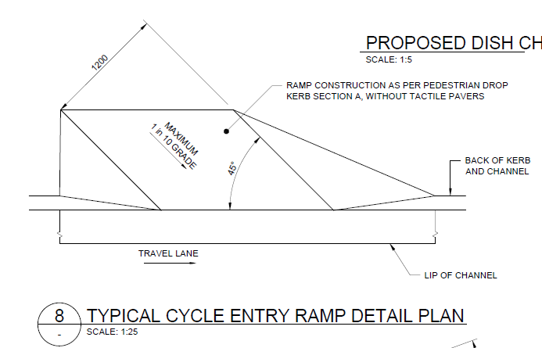 | Maximum 1 in 10 Grade 1200 mm wide cycle entry ramp detail 45 degree angle from the travel lane in the horizontal plane | 232735.02-WSP-DR-RSA-0304 | Photos Measurements | During construction | C | SE
6.7 | Cycle Exit Ramp Detail | 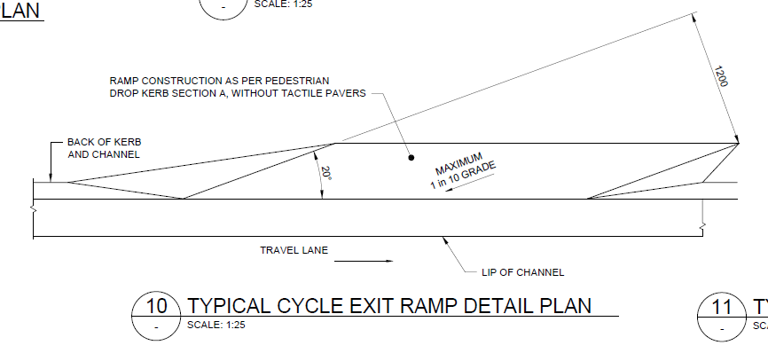 | Maximum 1 in 10 Grade 1200 mm wide cycle entry ramp detail 20 degree angle from the travel lane in the horizontal plane | 232735.02-WSP-DR-RSA-0304 | Photos Measurements | During construction | C | SE
6.8 | Bedding TACTILE PAVERS (PEDESTRIAN CROSSINGS) | 40 mm thick 2:1 sand/cement bed | 40 mm thick 2:1 sand/cement bed | 232735.02-WSP-DR-RSA-0304 | Delivery Dockets Check sheet | During construction | C | SE
6.9 | Warning Indicators TACTILE PAVERS (PEDESTRIAN CROSSINGS) | 300 mm square 60mm thick Shall be aligned with the intended direction of travel of the pedestrian | LTNZ RTS14 STANDARD | 232735.02-WSP-DR-RSA-0304 | Delivery Dockets Check sheet | During construction | C | SE
6.10 | Directional Indicators TACTILE PAVERS (PEDESTRIAN CROSSINGS) | 300 mm square Shall be aligned with the intended direction of travel of the pedestrian | LTNZ RTS14 STANDARD | 232735.02-WSP-DR-RSA-0304 | Delivery Dockets Check sheet | During construction | C | SE
SECTION 7 - POST CONSTRUCTION (FINAL INSPECTION AND HANDOVER)
7.1 | Final Inspection | Final inspection of all concrete work. | All works meet project specifications and standards. | NZTA P39: 2013 | Final inspection report | 100% Completion of works | HP | ENG
7.2 | As-Builts | Final inspection of all concrete work. Red Pen Mark up | All works meet project specifications and standards. any changes to be noted on redpen markuProject Specifications | Project Specifications 16.7.6 | Red Pen Markup | 100% Completion of works | D | SV

